Summary
NOTE: Figures on completion for 2005-7 are greyed out and have not been included in the graphs. There appears to be an error in the HESA data relating to these figures. See section 2 of the accompanying report for more details.

 | 2005 | 2006 | 2007 | 2008 | 2009 | 2010 | 2011 | 2012 | 2013 | 2014 | 2015 | 2016 | 2017 | 2018
Number of geography students | 6043 | 6837 | 6181 | 5663 | 5614 | 6411 | 6533 | 7124 | 5787 | 6730 | 6745 | 7078 | 7081 | 7247

Number completing degree | 3357 | 4788 | 4492 | 4769 | 4753 | 5462 | 5590 | 6199 | 5098 | 5837 | 5791 | 5079 | NA | NA

Percent completing degree | 56% | 70% | 73% | 84% | 85% | 85% | 86% | 87% | 88% | 87% | 86% | 72% | NA | NA
Entries (number of students)
Completed degree (%)

Gender
NOTE: Figures on completion for 2005-7 are greyed out and have not been included in the graphs. There appears to be an error in the HESA data relating to these figures. See section 2 of the accompanying report for more details.

 | 2005 | 2006 | 2007 | 2008 | 2009 | 2010 | 2011 | 2012 | 2013 | 2014 | 2015 | 2016 | 2017 | 2018
Number of geography students | 6043 | 6837 | 6181 | 5663 | 5614 | 6411 | 6533 | 7124 | 5787 | 6730 | 6745 | 7078 | 7081 | 7247
Female students | 2825 | 3282 | 2987 | 2814 | 2702 | 3112 | 3194 | 3492 | 2903 | 3484 | 3611 | 3879 | 3885 | 4080
Non-female students | 3218 | 3555 | 3194 | 2849 | 2912 | 3299 | 3339 | 3632 | 2884 | 3246 | 3134 | 3199 | 3196 | 3167

Proportion of geography students | 100% | 100% | 100% | 100% | 100% | 100% | 100% | 100% | 100% | 100% | 100% | 100% | 100% | 100%
Female students | 47% | 48% | 48% | 50% | 48% | 49% | 49% | 49% | 50% | 52% | 54% | 55% | 55% | 56%
Non-female students | 53% | 52% | 52% | 50% | 52% | 51% | 51% | 51% | 50% | 48% | 46% | 45% | 45% | 44%

Number completing degree | 3357 | 4788 | 4492 | 4769 | 4753 | 5462 | 5590 | 6199 | 5098 | 5837 | 5791 | 5079 | NA | NA
Female students | 1703 | 2400 | 2292 | 2423 | 2338 | 2743 | 2809 | 3101 | 2639 | 3079 | 3173 | 2813 | NA | NA
Non-female students | 1654 | 2388 | 2200 | 2346 | 2415 | 2719 | 2781 | 3098 | 2459 | 2758 | 2618 | 2266 | NA | NA

Percent completing degree | 56% | 70% | 73% | 84% | 85% | 85% | 86% | 87% | 88% | 87% | 86% | 72% | NA | NA
Female students | 60% | 73% | 77% | 86% | 87% | 88% | 88% | 89% | 91% | 88% | 88% | 73% | NA | NA
Non-female students | 51% | 67% | 69% | 82% | 83% | 82% | 83% | 85% | 85% | 85% | 84% | 71% | NA | NA
Completed degree (%)
Entries (%)

Ethnicity
NOTE: Figures on completion for 2005-7 are greyed out and have not been included in the graphs. There appears to be an error in the HESA data relating to these figures. See section 2 of the accompanying report for more details.

 | 2005 | 2006 | 2007 | 2008 | 2009 | 2010 | 2011 | 2012 | 2013 | 2014 | 2015 | 2016 | 2017 | 2018
Number of geography students | 6043 | 6837 | 6181 | 5663 | 5614 | 6411 | 6533 | 7124 | 5787 | 6730 | 6745 | 7078 | 7081 | 7247
White students | 5634 | 6315 | 5720 | 5229 | 5213 | 5944 | 5979 | 6555 | 5253 | 6100 | 6045 | 6289 | 6251 | 6388
Black students | 33 | 45 | 35 | 38 | 40 | 48 | 56 | 72 | 67 | 86 | 98 | 122 | 118 | 110
Asian students | 139 | 146 | 160 | 136 | 130 | 149 | 186 | 193 | 176 | 203 | 243 | 288 | 304 | 331
Mixed students | 102 | 144 | 120 | 144 | 124 | 165 | 187 | 208 | 188 | 247 | 268 | 284 | 304 | 279
Other students | 103 | 144 | 146 | 116 | 89 | 62 | 64 | 55 | 59 | 50 | 56 | 49 | 64 | 60
Not known / refused | 32 | 43 | 0 | 0 | 18 | 43 | 61 | 41 | 44 | 44 | 35 | 46 | 40 | 79

Proportion of geography students | 100% | 100% | 100% | 100% | 100% | 100% | 100% | 100% | 100% | 100% | 100% | 100% | 100% | 100%
White students | 93% | 92% | 93% | 92% | 93% | 93% | 92% | 92% | 91% | 91% | 90% | 89% | 88% | 88%
Black students | 1% | 1% | 1% | 1% | 1% | 1% | 1% | 1% | 1% | 1% | 1% | 2% | 2% | 2%
Asian students | 2% | 2% | 3% | 2% | 2% | 2% | 3% | 3% | 3% | 3% | 4% | 4% | 4% | 5%
Mixed students | 2% | 2% | 2% | 3% | 2% | 3% | 3% | 3% | 3% | 4% | 4% | 4% | 4% | 4%
Other students | 2% | 2% | 2% | 2% | 2% | 1% | 1% | 1% | 1% | 1% | 1% | 1% | 1% | 1%
Not known / refused | 1% | 1% | 0% | 0% | 0% | 1% | 1% | 1% | 1% | 1% | 1% | 1% | 1% | 1%

Number completing degree | 3357 | 4788 | 4492 | 4769 | 4753 | 5462 | 5590 | 6199 | 5098 | 5837 | 5791 | 5079 | NA | NA
White students | 3144 | 4456 | 4182 | 4428 | 4445 | 5099 | 5152 | 5735 | 4653 | 5313 | 5225 | 4575 | NA | NA
Black students | 17 | 24 | 17 | 27 | 26 | 31 | 34 | 55 | 49 | 60 | 65 | 69 | NA | NA
Asian students | 88 | 102 | 119 | 108 | 103 | 117 | 156 | 157 | 154 | 175 | 202 | 203 | NA | NA
Mixed students | 53 | 94 | 86 | 119 | 100 | 133 | 149 | 170 | 151 | 207 | 227 | 180 | NA | NA
Other students | 43 | 97 | 88 | 87 | 66 | 45 | 53 | 47 | 51 | 44 | 46 | 26 | NA | NA
Not known / refused | 12 | 15 | NA | NA | 13 | 37 | 46 | 35 | 40 | 38 | 26 | 26 | NA | NA

Percent completing degree | 56% | 70% | 73% | 84% | 85% | 85% | 86% | 87% | 88% | 87% | 86% | 72% | NA | NA
White students | 56% | 71% | 73% | 85% | 85% | 86% | 86% | 87% | 89% | 87% | 86% | 73% | NA | NA
Black students | 52% | 53% | 49% | 71% | 65% | 65% | 61% | 76% | 73% | 70% | 66% | 57% | NA | NA
Asian students | 63% | 70% | 74% | 79% | 79% | 79% | 84% | 81% | 88% | 86% | 83% | 70% | NA | NA
Mixed students | 52% | 65% | 72% | 83% | 81% | 81% | 80% | 82% | 80% | 84% | 85% | 63% | NA | NA
Other students | 42% | 67% | 60% | 75% | 74% | 73% | 83% | 85% | 86% | 88% | 82% | 53% | NA | NA
Not known / refused | 38% | 35% | NA | NA | 72% | 86% | 75% | 85% | 91% | 86% | 74% | 57% | NA | NA

Entries (%)
Entries (%), excluding white students
Completed degree (%)

POLAR
NOTE: Figures on completion for 2005-7 are greyed out and have not been included in the graphs. There appears to be an error in the HESA data relating to these figures. See section 2 of the accompanying report for more details.

 | 2005 | 2006 | 2007 | 2008 | 2009 | 2010 | 2011 | 2012 | 2013 | 2014 | 2015 | 2016 | 2017 | 2018
Number of geography students | 6043 | 6837 | 6181 | 5663 | 5614 | 6411 | 6533 | 7124 | 5787 | 6730 | 6745 | 7078 | 7081 | 7247
Quintile 1 (lowest participation) | 405 | 428 | 426 | 355 | 345 | 386 | 403 | 412 | 338 | 417 | 423 | 466 | 471 | 466
Quintile 2 | 703 | 762 | 692 | 637 | 609 | 712 | 690 | 732 | 641 | 713 | 709 | 799 | 750 | 756
Quintile 3 | 1036 | 1193 | 1037 | 919 | 899 | 1067 | 1084 | 1147 | 967 | 1074 | 1098 | 1158 | 1144 | 1224
Quintile 4 | 1501 | 1717 | 1554 | 1420 | 1460 | 1607 | 1585 | 1767 | 1386 | 1714 | 1584 | 1716 | 1764 | 1694
Quintile 5 (highest participation) | 2320 | 2632 | 2397 | 2255 | 2251 | 2570 | 2679 | 2995 | 2382 | 2750 | 2861 | 2872 | 2881 | 2995
Data missing | 78 | 105 | 75 | 77 | 50 | 69 | 92 | 71 | 73 | 62 | 70 | 67 | 71 | 112

Proportion of geography students | 100% | 100% | 100% | 100% | 100% | 100% | 100% | 100% | 100% | 100% | 100% | 100% | 100% | 100%
Quintile 1 (lowest participation) | 7% | 6% | 7% | 6% | 6% | 6% | 6% | 6% | 6% | 6% | 6% | 7% | 7% | 6%
Quintile 2 | 12% | 11% | 11% | 11% | 11% | 11% | 11% | 10% | 11% | 11% | 11% | 11% | 11% | 10%
Quintile 3 | 17% | 17% | 17% | 16% | 16% | 17% | 17% | 16% | 17% | 16% | 16% | 16% | 16% | 17%
Quintile 4 | 25% | 25% | 25% | 25% | 26% | 25% | 24% | 25% | 24% | 25% | 23% | 24% | 25% | 23%
Quintile 5 (highest participation) | 38% | 38% | 39% | 40% | 40% | 40% | 41% | 42% | 41% | 41% | 42% | 41% | 41% | 41%
Data missing | 1% | 2% | 1% | 1% | 1% | 1% | 1% | 1% | 1% | 1% | 1% | 1% | 1% | 2%

Number completing degree | 3357 | 4788 | 4492 | 4769 | 4753 | 5462 | 5590 | 6199 | 5098 | 5837 | 5791 | 5079 | NA | NA
Quintile 1 (lowest participation) | 213 | 258 | 269 | 274 | 267 | 300 | 316 | 354 | 277 | 333 | 329 | 320 | NA | NA
Quintile 2 | 386 | 500 | 502 | 514 | 493 | 585 | 567 | 616 | 552 | 595 | 589 | 558 | NA | NA
Quintile 3 | 586 | 808 | 707 | 747 | 750 | 883 | 917 | 969 | 827 | 911 | 929 | 805 | NA | NA
Quintile 4 | 846 | 1232 | 1150 | 1200 | 1243 | 1372 | 1335 | 1517 | 1216 | 1495 | 1362 | 1251 | NA | NA
Quintile 5 (highest participation) | 1294 | 1931 | 1836 | 1978 | 1964 | 2261 | 2383 | 2681 | 2164 | 2448 | 2524 | 2103 | NA | NA
Data missing | 32 | 59 | 28 | 56 | 36 | 61 | 72 | 62 | 62 | 55 | 58 | 42 | NA | NA

Percent completing degree | 56% | 70% | 73% | 84% | 85% | 85% | 86% | 87% | 88% | 87% | 86% | 72% | NA | NA
Quintile 1 (lowest participation) | 53% | 60% | 63% | 77% | 77% | 78% | 78% | 86% | 82% | 80% | 78% | 69% | NA | NA
Quintile 2 | 55% | 66% | 73% | 81% | 81% | 82% | 82% | 84% | 86% | 83% | 83% | 70% | NA | NA
Quintile 3 | 57% | 68% | 68% | 81% | 83% | 83% | 85% | 84% | 86% | 85% | 85% | 70% | NA | NA
Quintile 4 | 56% | 72% | 74% | 85% | 85% | 85% | 84% | 86% | 88% | 87% | 86% | 73% | NA | NA
Quintile 5 (highest participation) | 56% | 73% | 77% | 88% | 87% | 88% | 89% | 90% | 91% | 89% | 88% | 73% | NA | NA
Data missing | 41% | 56% | 37% | 73% | 72% | 88% | 78% | 87% | 85% | 89% | 83% | 63% | NA | NA

Entries (%)
Completed degree (%)

IDACI
NOTE: Figures on completion for 2005-7 are greyed out and have not been included in the graphs. There appears to be an error in the HESA data relating to these figures. See section 2 of the accompanying report for more details.

 | 2005 | 2006 | 2007 | 2008 | 2009 | 2010 | 2011 | 2012 | 2013 | 2014 | 2015 | 2016 | 2017 | 2018
Number of geography students | 6043 | 6837 | 6181 | 5663 | 5614 | 6411 | 6533 | 7124 | 5787 | 6730 | 6745 | 7078 | 7081 | 7247
Quintile 1 (most deprived) | 320 | 367 | 345 | 296 | 322 | 345 | 388 | 391 | 376 | 434 | 418 | 486 | 471 | 496
Quintile 2 | 631 | 707 | 663 | 569 | 581 | 692 | 696 | 697 | 518 | 686 | 715 | 702 | 801 | 682
Quintile 3 | 1072 | 1228 | 1133 | 1049 | 1036 | 1069 | 1162 | 1277 | 973 | 1117 | 1168 | 1262 | 1182 | 1197
Quintile 4 | 1617 | 1883 | 1652 | 1601 | 1606 | 1745 | 1795 | 1942 | 1487 | 1725 | 1748 | 1728 | 1690 | 1803
Quintile 5 (least deprived) | 2210 | 2418 | 2222 | 2008 | 1980 | 2272 | 2322 | 2518 | 2078 | 2419 | 2355 | 2599 | 2568 | 2662
Data missing | 193 | 234 | 166 | 140 | 89 | 288 | 170 | 299 | 355 | 349 | 341 | 301 | 369 | 407

Proportion of geography students | 100% | 100% | 100% | 100% | 100% | 100% | 100% | 100% | 100% | 100% | 100% | 100% | 100% | 100%
Quintile 1 (most deprived) | 5% | 5% | 6% | 5% | 6% | 5% | 6% | 5% | 6% | 6% | 6% | 7% | 7% | 7%
Quintile 2 | 10% | 10% | 11% | 10% | 10% | 11% | 11% | 10% | 9% | 10% | 11% | 10% | 11% | 9%
Quintile 3 | 18% | 18% | 18% | 19% | 18% | 17% | 18% | 18% | 17% | 17% | 17% | 18% | 17% | 17%
Quintile 4 | 27% | 28% | 27% | 28% | 29% | 27% | 27% | 27% | 26% | 26% | 26% | 24% | 24% | 25%
Quintile 5 (least deprived) | 37% | 35% | 36% | 35% | 35% | 35% | 36% | 35% | 36% | 36% | 35% | 37% | 36% | 37%
Data missing | 3% | 3% | 3% | 2% | 2% | 4% | 3% | 4% | 6% | 5% | 5% | 4% | 5% | 6%

Number completing degree | 3357 | 4788 | 4492 | 4769 | 4753 | 5462 | 5590 | 6199 | 5098 | 5837 | 5791 | 5079 | NA | NA
Quintile 1 (most deprived) | 134 | 218 | 219 | 219 | 251 | 252 | 289 | 304 | 299 | 342 | 328 | 303 | NA | NA
Quintile 2 | 324 | 477 | 457 | 464 | 471 | 573 | 583 | 570 | 444 | 562 | 582 | 469 | NA | NA
Quintile 3 | 606 | 840 | 834 | 865 | 861 | 895 | 979 | 1105 | 831 | 959 | 985 | 903 | NA | NA
Quintile 4 | 915 | 1347 | 1203 | 1369 | 1376 | 1506 | 1570 | 1712 | 1349 | 1543 | 1537 | 1301 | NA | NA
Quintile 5 (least deprived) | 1291 | 1769 | 1704 | 1757 | 1734 | 1999 | 2038 | 2255 | 1882 | 2151 | 2081 | 1929 | NA | NA
Data missing | 87 | 137 | 75 | 95 | 60 | 237 | 131 | 253 | 293 | 280 | 278 | 174 | NA | NA

Percent completing degree | 56% | 70% | 73% | 84% | 85% | 85% | 86% | 87% | 88% | 87% | 86% | 72% | NA | NA
Quintile 1 (most deprived) | 42% | 59% | 63% | 74% | 78% | 73% | 74% | 78% | 80% | 79% | 78% | 62% | NA | NA
Quintile 2 | 51% | 67% | 69% | 82% | 81% | 83% | 84% | 82% | 86% | 82% | 81% | 67% | NA | NA
Quintile 3 | 57% | 68% | 74% | 82% | 83% | 84% | 84% | 87% | 85% | 86% | 84% | 72% | NA | NA
Quintile 4 | 57% | 72% | 73% | 86% | 86% | 86% | 87% | 88% | 91% | 89% | 88% | 75% | NA | NA
Quintile 5 (least deprived) | 58% | 73% | 77% | 88% | 88% | 88% | 88% | 90% | 91% | 89% | 88% | 74% | NA | NA
Data missing | 45% | 59% | 45% | 68% | 67% | 82% | 77% | 85% | 83% | 80% | 82% | 58% | NA | NA
Entries (%)
Completed degree (%)

L3 qualification type
NOTE: Figures on completion for 2005-7 are greyed out and have not been included in the graphs. There appears to be an error in the HESA data relating to these figures. See section 2 of the accompanying report for more details.

 | 2005 | 2006 | 2007 | 2008 | 2009 | 2010 | 2011 | 2012 | 2013 | 2014 | 2015 | 2016 | 2017 | 2018
Number of geography students | 6043 | 6837 | 6181 | 5663 | 5614 | 6411 | 6533 | 7124 | 5787 | 6730 | 6745 | 7078 | 7081 | 7247
With A-Level geography | 5372 | 5924 | 5384 | 5055 | 5012 | 5487 | 5680 | 6190 | 4928 | 5849 | 5809 | 6227 | 6093 | 6210
With any A-Level | 5714 | 6413 | 5839 | 5332 | 5284 | 5797 | 6010 | 6496 | 5141 | 6079 | 6059 | 6454 | 6397 | 6499
With vocation qualification | SUPP | 52 | 97 | 107 | 153 | 234 | 341 | 402 | 416 | 486 | 561 | 558 | 597 | 585

Number of geography students | 100% | 100% | 100% | 100% | 100% | 100% | 100% | 100% | 100% | 100% | 100% | 100% | 100% | 100%
With A-Level geography | 89% | 87% | 87% | 89% | 89% | 86% | 87% | 87% | 85% | 87% | 86% | 88% | 86% | 86%
With any A-Level | 95% | 94% | 94% | 94% | 94% | 90% | 92% | 91% | 89% | 90% | 90% | 91% | 90% | 90%
With vocation qualification | SUPP | 1% | 2% | 2% | 3% | 4% | 5% | 6% | 7% | 7% | 8% | 8% | 8% | 8%

Number completing degree | 3357 | 4788 | 4492 | 4769 | 4753 | 5462 | 5590 | 6199 | 5098 | 5837 | 5791 | 5079 | NA | NA
With A-Level geography | 3102 | 4452 | 4180 | 4368 | 4378 | 4804 | 5002 | 5469 | 4437 | 5181 | 5112 | 4606 | NA | NA
With any A-Level | 3221 | 4578 | 4315 | 4545 | 4559 | 5003 | 5200 | 5689 | 4584 | 5343 | 5279 | 4731 | NA | NA
With vocation qualification | SUPP | 36 | 62 | 85 | 113 | 179 | 261 | 346 | 358 | 399 | 437 | 349 | NA | NA

Percent completing degree | 56% | 70% | 73% | 84% | 85% | 85% | 86% | 87% | 88% | 87% | 86% | 72% | NA | NA
With A-Level geography | 58% | 75% | 78% | 86% | 87% | 88% | 88% | 88% | 90% | 89% | 88% | 74% | NA | NA
With any A-Level | 56% | 71% | 74% | 85% | 86% | 86% | 87% | 88% | 89% | 88% | 87% | 73% | NA | NA
With vocation qualification | NA | 69% | 64% | 79% | 74% | 76% | 77% | 86% | 86% | 82% | 78% | 63% | NA | NA

Entries (%)
Completed degree (%)

Prior attainment
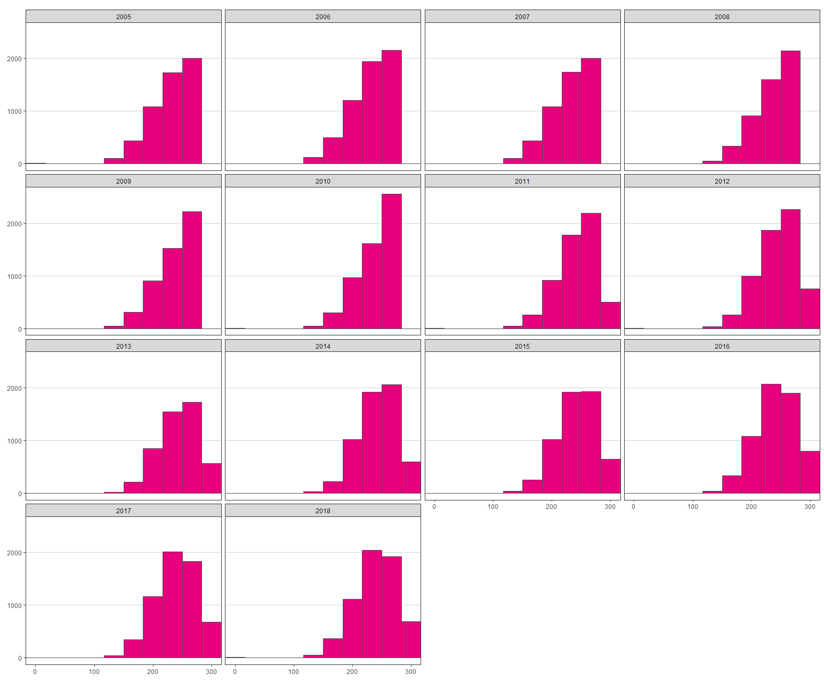
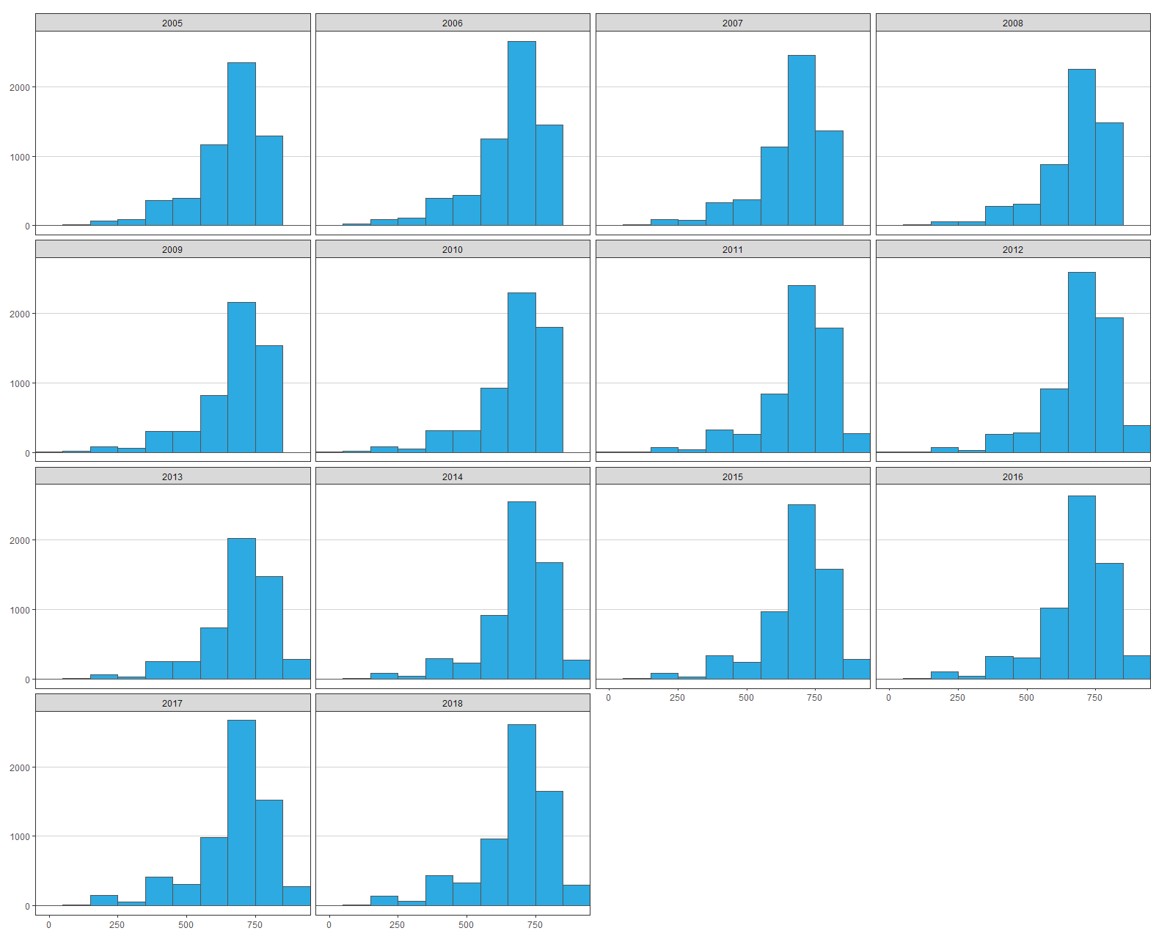
 | 2005 | 2006 | 2007 | 2008 | 2009 | 2010 | 2011 | 2012 | 2013 | 2014 | 2015 | 2016 | 2017 | 2018
Mean points score, geography | 238.0789278 | 237.6147873 | 238.3283804 | 242.2551929 | 243.0227454 | 244.4669218 | 248.4295775 | 250.0710824 | 249.0645292 | 248.6065994 | 247.9583405 | 247.8336278 | 245.8838011 | 245.7101449
Mean points score, best 3 | 660.2730137 | 659.2983003 | 662.7590341 | 677.5656414 | 675.7380772 | 681.2696222 | 696.3668885 | 703.9516626 | 696.4073138 | 696.3908538 | 691.6685922 | 689.2376821 | 677.1103642 | 679.3875981
Mean points score, best 3 (averaged) | 220.09100457 | 219.7661001 | 220.91967803 | 225.8552138 | 225.24602573 | 227.08987407 | 232.12229617 | 234.6505542 | 232.13577127 | 232.1302846 | 230.5561974 | 229.74589403 | 225.70345473 | 226.4625327

Prior attainment (geography)
Prior attainment (best 3)

NOTE: The histograms below are pasted here as images; they are not based on data included within this spreadsheet. This data can only be shared in aggregated form.
 | Distribution of mean geography points score by year |  |  |  |  |  |  |  |  |  |  |  |  |  | Distribution of mean best 3 points score by year

HEI group
NOTE: Figures on completion for 2005-7 are greyed out and have not been included in the graphs. There appears to be an error in the HESA data relating to these figures. See section 2 of the accompanying report for more details.

 | 2005 | 2006 | 2007 | 2008 | 2009 | 2010 | 2011 | 2012 | 2013 | 2014 | 2015 | 2016 | 2017 | 2018
Number of geography students | 6043 | 6837 | 6181 | 5663 | 5614 | 6411 | 6533 | 7124 | 5787 | 6730 | 6745 | 7078 | 7081 | 7247
Russell Group | 2918 | 3142 | 2906 | 2842 | 2720 | 2820 | 2932 | 2986 | 2607 | 3245 | 3287 | 3430 | 3497 | 3684
Top third | 3737 | 4055 | 3824 | 3636 | 3445 | 3612 | 3706 | 3846 | 3400 | 4053 | 4106 | 4397 | 4556 | 4672
University Alliance | 1101 | 1395 | 1234 | 961 | 1056 | 1294 | 1332 | 1563 | 1056 | 1228 | 1209 | 1229 | 1112 | 1187
Million + | 146 | 186 | 143 | 149 | 131 | 158 | 201 | 231 | 178 | 168 | 176 | 241 | 226 | 239
Guild | 222 | 305 | 199 | 202 | 235 | 282 | 329 | 334 | 252 | 256 | 231 | 222 | 195 | 193
Cathedrals | 279 | 335 | 281 | 213 | 261 | 331 | 330 | 399 | 316 | 359 | 341 | 342 | 308 | 314

Proportion of geography students | 6043 | 6837 | 6181 | 5663 | 5614 | 6411 | 6533 | 7124 | 5787 | 6730 | 6745 | 7078 | 7081 | 7247
Russell Group | 48% | 46% | 47% | 50% | 48% | 44% | 45% | 42% | 45% | 48% | 49% | 48% | 49% | 51%
Top third | 62% | 59% | 62% | 64% | 61% | 56% | 57% | 54% | 59% | 60% | 61% | 62% | 64% | 64%
University Alliance | 18% | 20% | 20% | 17% | 19% | 20% | 20% | 22% | 18% | 18% | 18% | 17% | 16% | 16%
Million + | 2% | 3% | 2% | 3% | 2% | 2% | 3% | 3% | 3% | 2% | 3% | 3% | 3% | 3%
Guild | 4% | 4% | 3% | 4% | 4% | 4% | 5% | 5% | 4% | 4% | 3% | 3% | 3% | 3%
Cathedrals | 5% | 5% | 5% | 4% | 5% | 5% | 5% | 6% | 5% | 5% | 5% | 5% | 4% | 4%

Number completing degree | 3357 | 4788 | 4492 | 4769 | 4753 | 5462 | 5590 | 6199 | 5098 | 5837 | 5791 | 5079 | NA | NA
Russell Group | 1683 | 2451 | 2320 | 2555 | 2484 | 2577 | 2696 | 2723 | 2409 | 2926 | 2972 | 2551 | NA | NA
Top third | 2170 | 3106 | 2960 | 3256 | 3129 | 3302 | 3393 | 3495 | 3134 | 3653 | 3660 | 3222 | NA | NA
University Alliance | 550 | 840 | 792 | 716 | 804 | 1017 | 1009 | 1242 | 900 | 1026 | 1003 | 823 | NA | NA
Million + | 68 | 91 | 94 | 111 | 97 | 111 | 151 | 189 | 133 | 122 | 136 | 171 | NA | NA
Guild | 95 | 146 | 136 | 157 | 167 | 199 | 244 | 277 | 191 | 184 | 171 | 151 | NA | NA
Cathedrals | 149 | 203 | 186 | 148 | 190 | 237 | 256 | 342 | 253 | 277 | 267 | 231 | NA | NA

Percent completing degree | 56% | 70% | 73% | 84% | 85% | 85% | 86% | 87% | 88% | 87% | 86% | 72% | NA | NA
Russell Group | 58% | 78% | 80% | 90% | 91% | 91% | 92% | 91% | 92% | 90% | 90% | 74% | NA | NA
Top third | 58% | 77% | 77% | 90% | 91% | 91% | 92% | 91% | 92% | 90% | 89% | 73% | NA | NA
University Alliance | 50% | 60% | 64% | 75% | 76% | 79% | 76% | 79% | 85% | 84% | 83% | 67% | NA | NA
Million + | 47% | 49% | 66% | 74% | 74% | 70% | 75% | 82% | 75% | 73% | 77% | 71% | NA | NA
Guild | 43% | 48% | 68% | 78% | 71% | 71% | 74% | 83% | 76% | 72% | 74% | 68% | NA | NA
Cathedrals | 53% | 61% | 66% | 69% | 73% | 72% | 78% | 86% | 80% | 77% | 78% | 68% | NA | NA

Entries (%)
Completed degree (%)

School type
NOTE: Figures on completion for 2005-7 are greyed out and have not been included in the graphs. There appears to be an error in the HESA data relating to these figures. See section 2 of the accompanying report for more details.

 | 2005 | 2006 | 2007 | 2008 | 2009 | 2010 | 2011 | 2012 | 2013 | 2014 | 2015 | 2016 | 2017 | 2018
Number of geography students | 6043 | 6837 | 6181 | 5663 | 5614 | 6411 | 6533 | 7124 | 5787 | 6730 | 6745 | 7078 | 7081 | 7247
Selective state | 669 | 761 | 667 | 630 | 610 | 673 | 737 | 796 | 653 | 785 | 745 | 751 | 751 | 768
Non-selective state | 2882 | 3211 | 2982 | 2717 | 2624 | 2939 | 3016 | 3267 | 2556 | 3056 | 3123 | 3362 | 3387 | 3502
Independent | 1140 | 1306 | 1198 | 1123 | 1205 | 1282 | 1397 | 1503 | 1247 | 1435 | 1318 | 1405 | 1375 | 1367
Sixth form college | 618 | 722 | 683 | 535 | 540 | 605 | 602 | 681 | 500 | 593 | 698 | 700 | 684 | 684
FE college | 417 | 486 | 407 | 417 | 396 | 441 | 449 | 438 | 338 | 386 | 391 | 425 | 397 | 373
Other / no data available | 317 | 351 | 244 | 241 | 239 | 471 | 332 | 439 | 493 | 475 | 470 | 434 | 487 | 553

Proportion of geography students | 100% | 100% | 100% | 100% | 100% | 100% | 100% | 100% | 100% | 100% | 100% | 100% | 100% | 100%
Selective state | 11% | 11% | 11% | 11% | 11% | 10% | 11% | 11% | 11% | 12% | 11% | 11% | 11% | 11%
Non-selective state | 48% | 47% | 48% | 48% | 47% | 46% | 46% | 46% | 44% | 45% | 46% | 47% | 48% | 48%
Independent | 19% | 19% | 19% | 20% | 21% | 20% | 21% | 21% | 22% | 21% | 20% | 20% | 19% | 19%
Sixth form college | 10% | 11% | 11% | 9% | 10% | 9% | 9% | 10% | 9% | 9% | 10% | 10% | 10% | 9%
FE college | 7% | 7% | 7% | 7% | 7% | 7% | 7% | 6% | 6% | 6% | 6% | 6% | 6% | 5%
Other / no data available | 5% | 5% | 4% | 4% | 4% | 7% | 5% | 6% | 9% | 7% | 7% | 6% | 7% | 8%

Number completing degree | 3357 | 4788 | 4492 | 4769 | 4753 | 5462 | 5590 | 6199 | 5098 | 5837 | 5791 | 5079 | NA | NA
Selective state | 437 | 582 | 520 | 570 | 546 | 606 | 660 | 723 | 596 | 701 | 675 | 575 | NA | NA
Non-selective state | 1719 | 2245 | 2158 | 2267 | 2249 | 2512 | 2587 | 2843 | 2268 | 2657 | 2688 | 2481 | NA | NA
Independent | 531 | 1025 | 965 | 1016 | 1078 | 1154 | 1272 | 1369 | 1150 | 1296 | 1167 | 1010 | NA | NA
Sixth form college | 353 | 481 | 474 | 441 | 445 | 497 | 496 | 578 | 434 | 525 | 607 | 493 | NA | NA
FE college | 180 | 281 | 256 | 319 | 296 | 337 | 332 | 342 | 268 | 302 | 305 | 284 | NA | NA
Other / no data available | 137 | 174 | 119 | 156 | 139 | 356 | 243 | 344 | 382 | 356 | 349 | 236 | NA | NA

Percent completing degree | 56% | 70% | 73% | 84% | 85% | 85% | 86% | 87% | 88% | 87% | 86% | 72% | NA | NA
Selective state | 65% | 76% | 78% | 90% | 90% | 90% | 90% | 91% | 91% | 89% | 91% | 77% | NA | NA
Non-selective state | 60% | 70% | 72% | 83% | 86% | 85% | 86% | 87% | 89% | 87% | 86% | 74% | NA | NA
Independent | 47% | 78% | 81% | 90% | 89% | 90% | 91% | 91% | 92% | 90% | 89% | 72% | NA | NA
Sixth form college | 57% | 67% | 69% | 82% | 82% | 82% | 82% | 85% | 87% | 89% | 87% | 70% | NA | NA
FE college | 43% | 58% | 63% | 76% | 75% | 76% | 74% | 78% | 79% | 78% | 78% | 67% | NA | NA
Other / no data available | 43% | 50% | 49% | 65% | 58% | 76% | 73% | 78% | 77% | 75% | 74% | 54% | NA | NA

Entries (%)
Completed degree (%)

